Sheet1
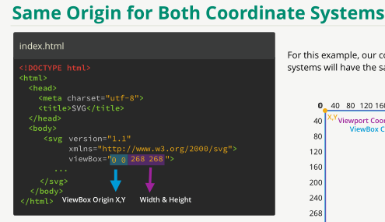
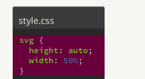
section 1 Rectangles

 |  | Viewport Coordinate System | Viewport height and width
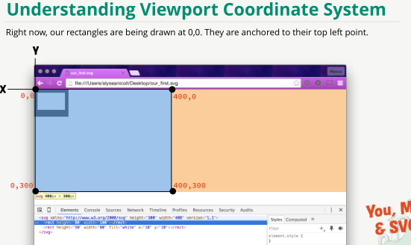
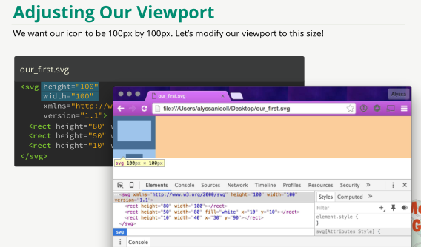
Raster (png, jpg, gif) images do not scale well (zoom etc.) , that's why you need S V G | SVG in html
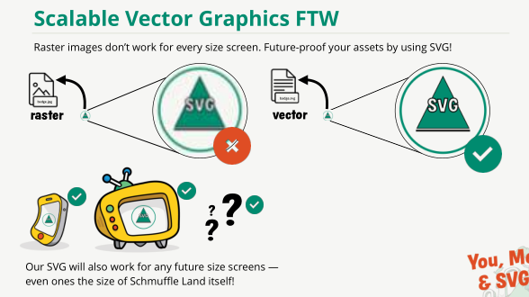
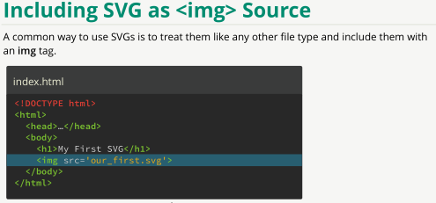

 | .svg, height, width xmlnsn (namespace and version) | RECT (rectangle) height, width, fill | Adding start coordinates : x and y
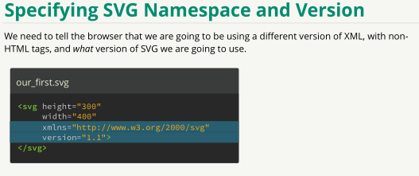
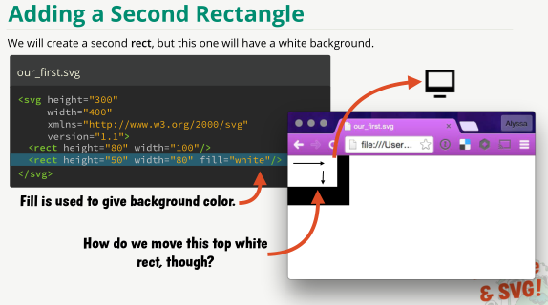
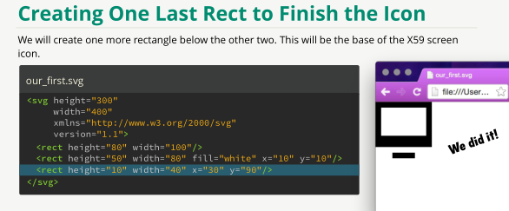

section 2 Circles

icon | stroke, stroke-width | fixing viewport overlap, positioning x y
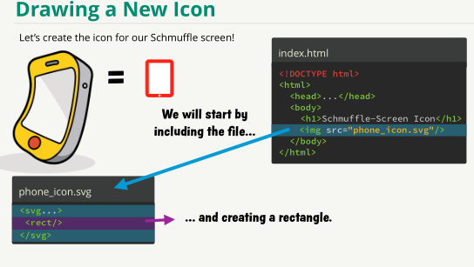
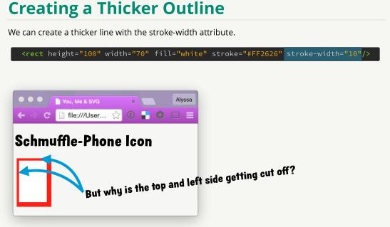
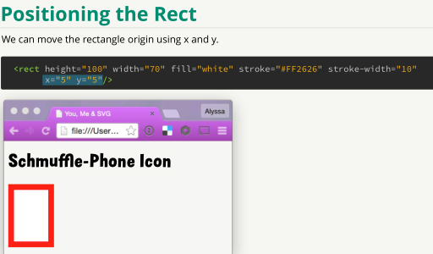

CIRCLE cx cy r (center x center y and radius) | ELLIPSE cx cy rx ry | Rounding (polygon) corners : add rx ry | for even corners you can use rx without ry, (ry=rx is inferred)
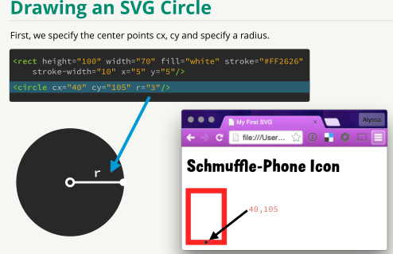
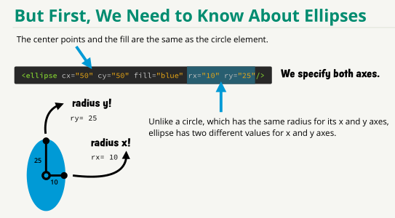
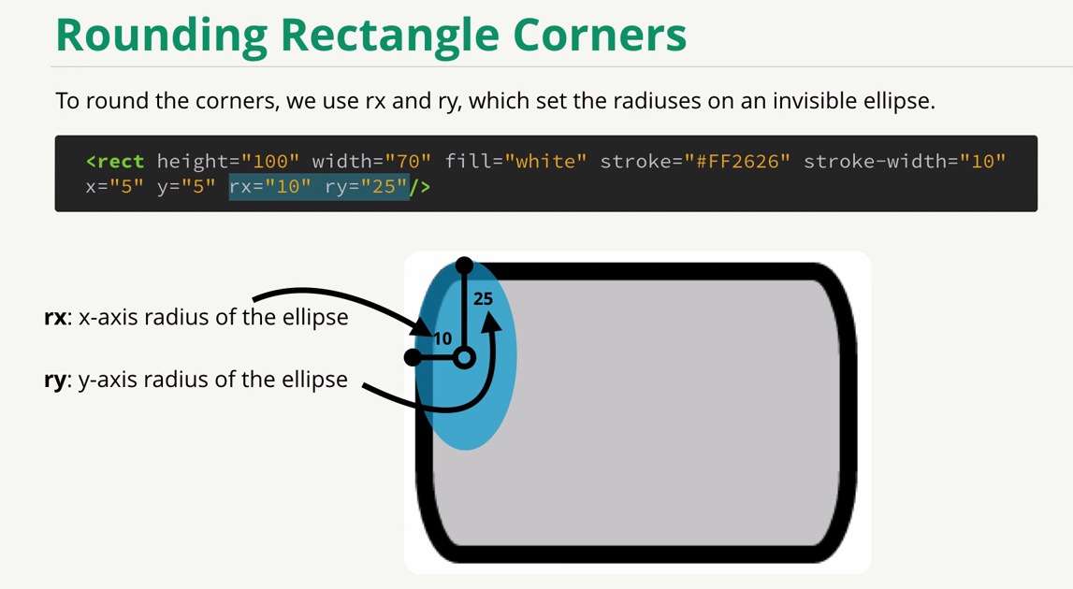
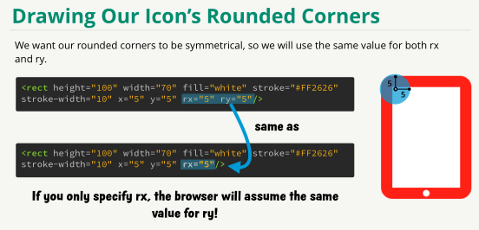

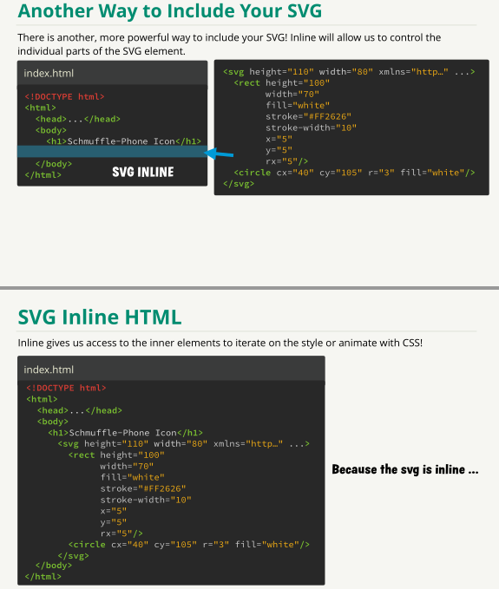
Use SVG inline to get CSS access to SVG elements

 | svg animation
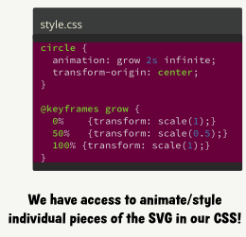

SVG tag in html | using style.css: coordinates must be inline. The reset can be in css. Remember px (pixel)
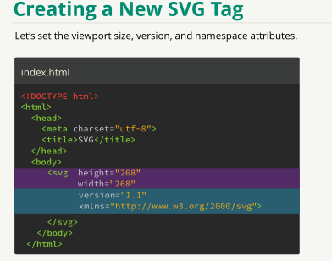
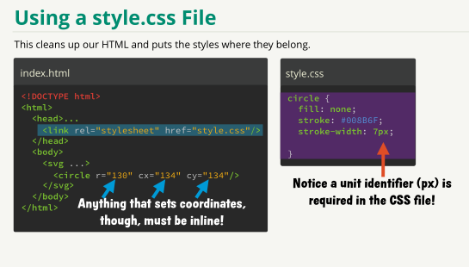

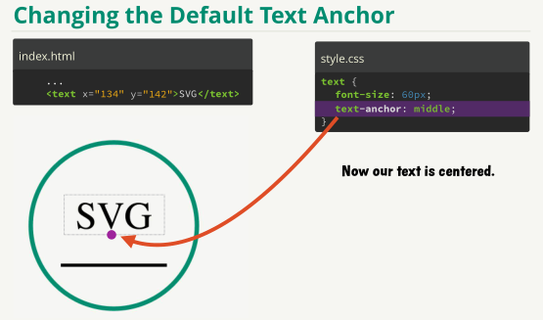
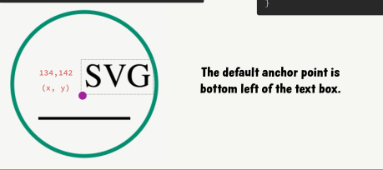
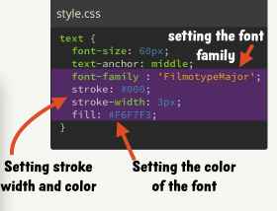

LINE x1, y1 x2, y2 stroke, stroke-width | SVG TEXT default anchor point is bottom left, use text-anchor: middle
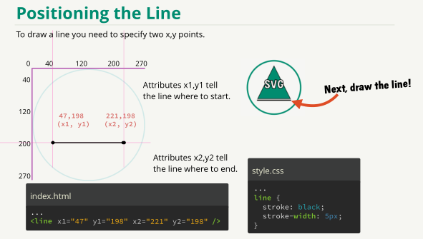

POLYGON points="x,y x,y x,y " as many pairs as corners | Send to back, bring to front by changing order in html
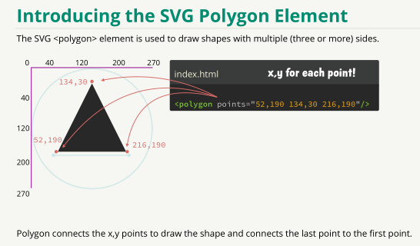
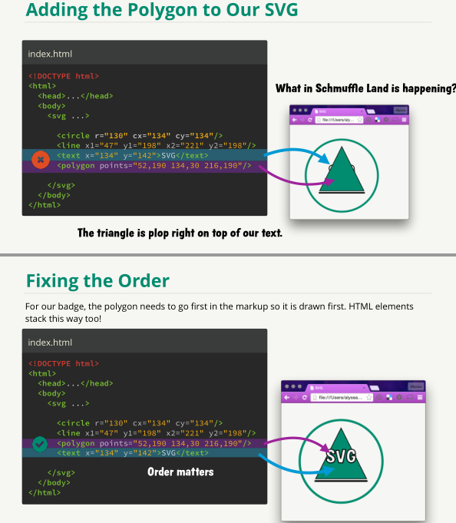

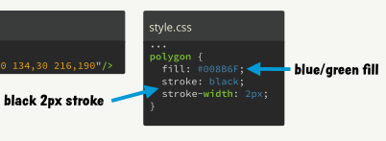

section 3 Groups

GROUP <g> </g> transform=translate(x, y) to give origin | Groups & CSS
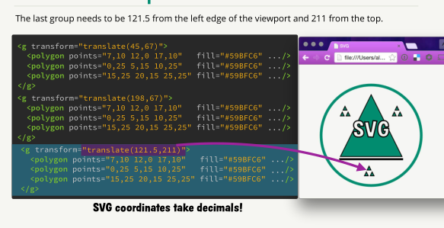
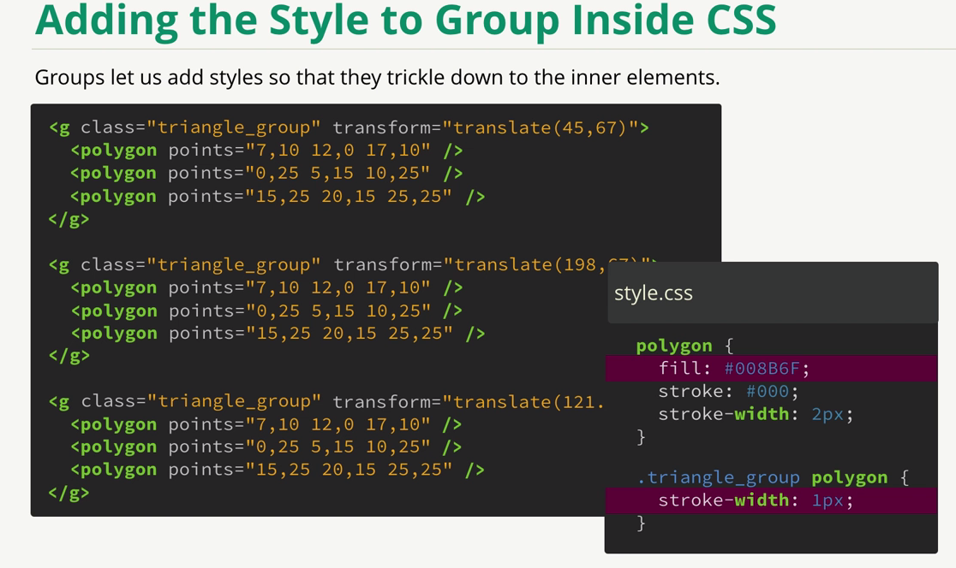

ROTATE

transform= translate(x,y) rotate(degree, x, y) scale(scaleamount) if you leave x,y out they take 0 0 (upper left)
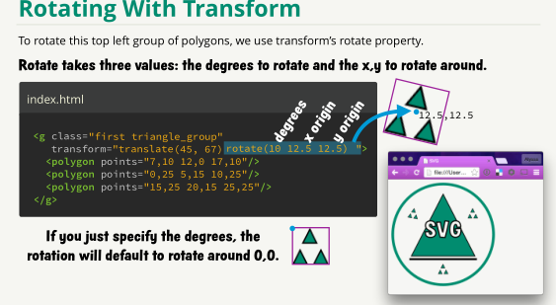
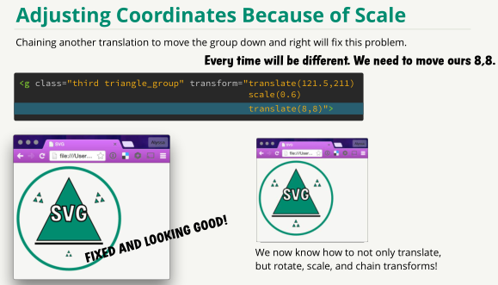

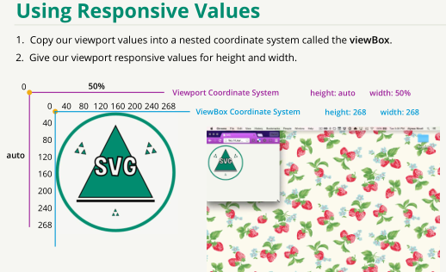
scaling with viewBox
 | viewBox="x,y_origin width height"

